Sheet1
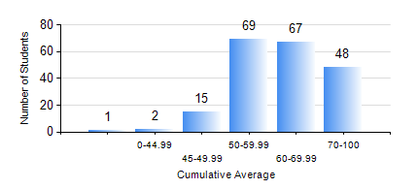
 |  |  | KWAME NKRUMAH UNIVERSITY OF SCIENCE AND TECHNOLOGY, KUMASI Department of Petroleum Engineering

 |  |  | BSC. PETROLEUM ENG.

 |  |  | COMPREHENSIVE RECORD OF EXAMINATION RESULTS

 |  |  | RESULTS OF YEAR 1 SECOND SEMESTER, 2021/2022 ACADEMIC YEAR

 | Sn | Course Code |  | Course Name | Credit Hours | Min. Mark | Max. Mark | Avg. Mark | Std. Dev. | No. Passed | No. Trailed | No. (Df) | No. (I) | No. (I*) | No. Tagged(I,I*,Df) | Total
 | 0. |  |  |  |  |  |  | 0 | 0 | 0 | 0 | 0 | 0 | 0 | 0 | 2
 | 1. | EE 152 |  | BASIC ELECTRONICS | 2 | 23 | 88 | 60 | 13.32 | 185 | 15 | 0 | 0 | 0 | 0 | 200
 | 2. | ENGL 158 |  | COMMUNICATION SKILLS II | 2 | 45 | 93 | 72 | 8.82 | 200 | 0 | 0 | 0 | 0 | 0 | 200
 | 3. | MATH 152 |  | CALCULUS WITH ANALYSIS | 4 | 41 | 89 | 62 | 11.99 | 200 | 0 | 0 | 0 | 0 | 0 | 200
 | 4. | ME 162 |  | BASIC MECHANICS | 3 | 19 | 87 | 61 | 13.49 | 197 | 3 | 0 | 0 | 0 | 0 | 200
 | 5. | PE 154 |  | INTRODUCTION TO PETROLEUM ENGINEERING | 2 | 8 | 90 | 57 | 11.5 | 198 | 2 | 0 | 0 | 0 | 0 | 200
 | 6. | PE 156 |  | PHYSICAL CHEMISTRY FOR ENGINEERS | 2 | 26 | 89 | 53 | 13.86 | 171 | 29 | 0 | 0 | 0 | 0 | 200
 | 7. | PHY 170 |  | GENERAL PHYSICS | 3 | 27 | 84 | 62 | 12.17 | 198 | 2 | 0 | 0 | 0 | 0 | 200

